
 |  |  |  | CODE: |  |  | pl1017 ac SN from 99E000
DESCRIPTION: |  | PUMP |  | PUMPE | POMPE | BOMBA | POMPA

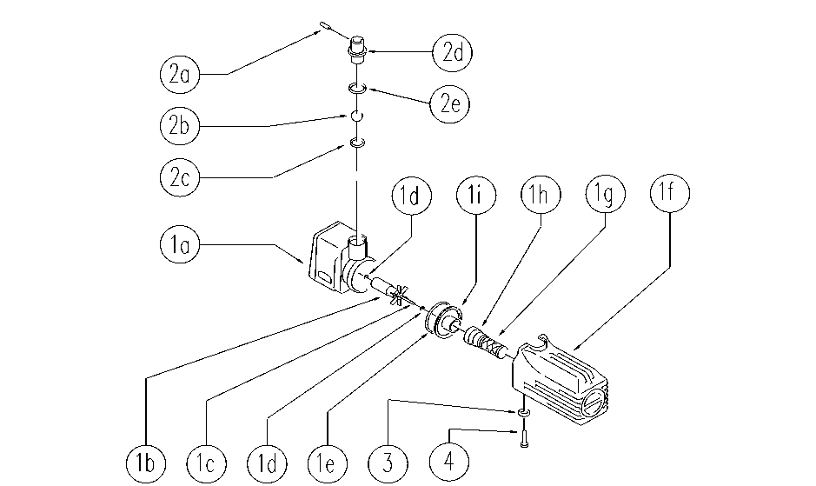

REF. | CODICE | DESCRIPTION | QT
1 | E86611 | Pump | 1
1a | SL02125-1 | BODY | 1
1b | SL02125-2 | ROTOR | 1
1c | SL02125-5 | PIN | 1
1d | SL02125-4 | SUPPORT | 2
1e | SL03402 | GASKET | 1
1f | SL02125-9 | HOLDER | 1
1g | E89420 | Pump Filter | 1
1h | SL18333 | UNION / CONNECTOR | 1
1i | SL02125-7 | CATCH / LOCK | 1
2a | E86913 | AS30/36 Pin/Plug | 1
2b | E86914 | AS30/36 Ball | 1
2c | E86915 | AS30/36 Gasket | 1
2d | E86916 | AS30/36 Nozzle | 1
2e | SL03343 | GASKET | 1
3 | E86768 | Washer | 1
4 | E86306 | Screw | 1

